Sheet1
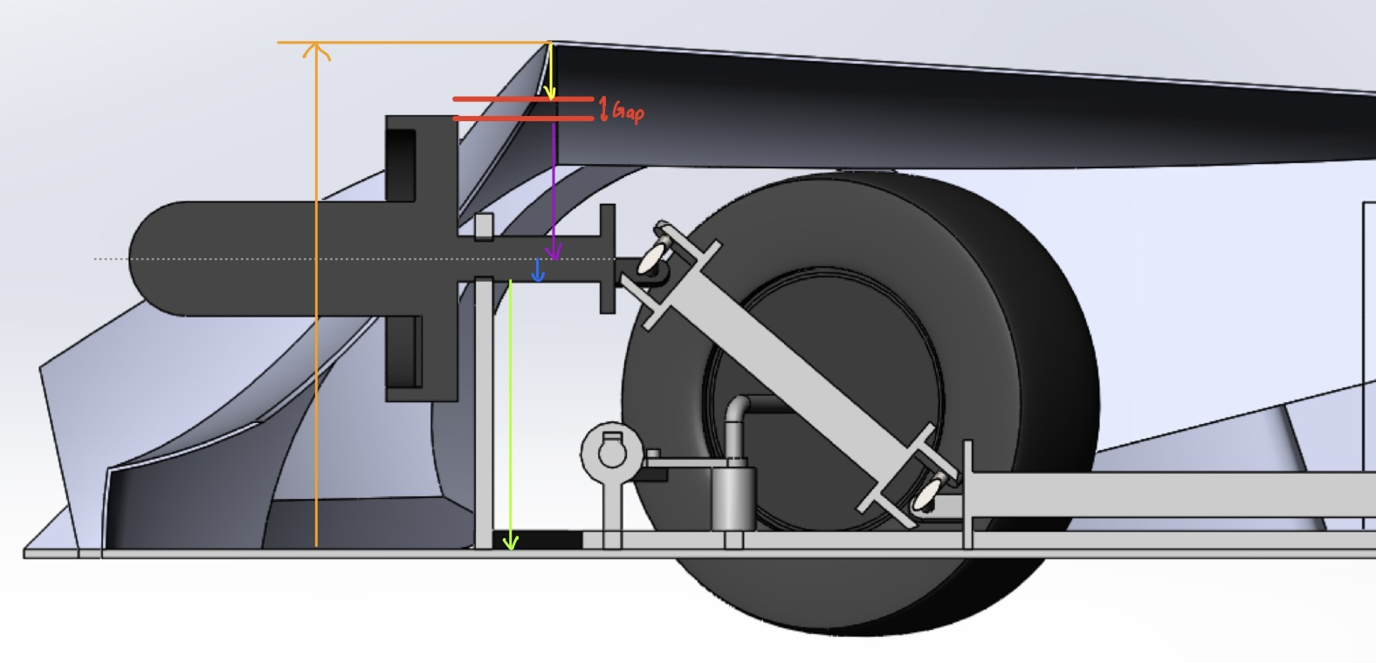

Note: Mean dimension values are taken directly from part files in SolidWorks. Equal bilateral tolerances are either the exact tolerance given in the technical drawing in the case of directly toleranced dimensions, or are the sums of the tolerances of the individual dimensions that give rise to the dimensions identified for this analysis.
Dimension | Dimension ID | Mean Dimension (in) | Fixed/Variable | Sensitivity | Equal Bilateral Tolerance
Turbine Blade Radius (Purple) | A | 8.75 | Variable | -1 | 0.002
Turbine Shaft Radius (Blue) | B | 1.25 | Variable | -1 | 0.002
Height of bottom turbine holder hole from top of bottom plate (green) | C | 14.75 | Variable | -1 | 0.03
Height of middle body piece from top of bottom plate (orange) | D | 28 | Fixed | 1 | 0.05
Height of cut in bod piece (yellow) | E | 3 | Fixed | -1 | 0.01

Nominal Gap = (-1)(A)+(-1)(B)+(-1)[C]+(1)(D)+(-1)[E]
Nominal Gap = (-1)(8.75)+(-1)(1.25)+(-1)(14.75)+(1)(28)+(-1)(3)=0.25in

Worst Case Tolerance = 0.002+0.002+0.03+0.05+0.01=0.094in

Maximum Gap = 0.25+0.094=0.344in
Minimum Gap = 0.25-0.094=0.156in
The turbine blade is correctly toleranced to have a clearance fit with the body of the car.
This is a clearance fit because there is always a gap between the turbine and the body for all combinations of dimensions that are within the specified error band. It is vital for the turbine blade to have a clearance fit with the body of the car - if the blade touches the body, not only will it disrupt power flow from the engine to the wheels but could potentially lead to a violent breakdown of the cars' strucutral components and cause extreme danger to the driver and bystanders.

